Accural by site graph
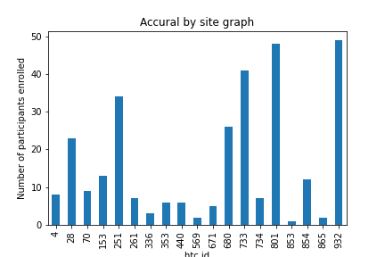
htc_id | number_of_study_participants
4 | 8
28 | 23
70 | 9
153 | 13
251 | 34
261 | 7
336 | 3
353 | 6
440 | 6
569 | 2
671 | 5
680 | 26
733 | 41
734 | 7
801 | 48
853 | 1
854 | 12
865 | 2
932 | 49

